1. Title Page
[Instacart Data Analysis]
]

Project Name: Instacart Data Analysis
Date: 24/1/2025
Analyst Name: Amani Adelwahab

data source
1. “The Instacart Online Grocery Shopping Dataset 2017”,
Accessed from www.instacart.com/datasets/grocery-shopping-2017
via Kaggle on 9/4/2024.
2. The customer data and the “prices” column in the products data set,
were both fabricated for the purpose of this course.
Contents:
Population Flow
Consistency checks
Wrangling steps
Column derivations
Visualizations
Recommendations

2. Population Flow
 | Title page

Population flow

Exclusion flag
Condition: max_order < 5
Obervations to be removed: 1441504
Final total count of order_products_all: 30992010

Orders_products_combined
Orders_products_merged
Orders_products_all

Total:
32434212
Total:
Total:
32434489
32433514

1.) The grey boxes in the first row of the population flow represent the original data sets as they were when you downloaded them. In the Total fields you need to add the count of the rows when you imported the data set into Jupyter.
2.) The second row of boxes (coloured) represents the data sets after you manipulated them, e.g., removed missing values and duplicates. In the Total fields you need to add the count of the rows after conducting these operations. This offers a visual oveview of how the data flows throughout the data consistency checks.
3.) The third row, where also the arrows are coloured, represents the merges you performed between the datasets. In the Total fields you need to add the count of the rows in the merged datasets, so that you end up with the final dataset (in the red box). Keep in mind the final dataset should be without exclusions (based on the exclusion flag).

3. Consistency checks
 |  |  |  | Title page
Consistency checks

Dataset | Missing values | Missing values treatment | Duplicates
orders | 206209 in days_since_prior_order | replace the missing values with the mean | no ducblicated
products | 16 Value in product name | remove the missing values entirely from products df | 5 dublicated valued, removed
orders_products_prior | none | no | no
customers | none | no | no

4. Wrangling steps
 |  |  |  | Title page
Wrangling steps

Columns dropped | Columns renamed | Columns' type changed | Comment/Reason
 | order_dow to orders_day_of_week |  | for clarity
 | First Name to first_name |  | for clarity
 | STATE to state |  | maintain naming convention
 | User_Id to user_id |  | maintain naming convention
 | 'Surnam' : 'Last Name', |  | for clarity
 | 'STATE' : 'State', |  | maintain naming convention
 | 'date_joined' : 'Date Joined', |  | maintain naming convention
 | 'n_dependants' : 'Number of Dependents', |  | maintain naming convention
 | 'fam_status' : 'Family Status', |  | maintain naming convention
 | 'income' : 'Income'}) |  | maintain naming convention
 |  | order_id | data type change, integer to string
 |  | user_id | data type change, integer to string

5. Column derivations
 |  |  |  | Title page

Column derivations and aggregations

Dataset | New column | Column/s it was derived from | Conditions
ords_prods_merge | price_range | prices | if prices <= 5 then 'low-range product' if prices >5 & <= 15 then 'mid-range product' if prices > 15 then 'high-range product' else 'not enough data'
ords_prods_merge | busiest_day | orders_day_of_week | if value == 0 then 'busiest day' if value == 4 then 'least busy' else 'regularly busy'
ords_prods_merge | busiest_days | orders_day_of_week | if value == 0 or 1 then 'busiest days' if value == 3 or 4 then 'slowest days' else 'regularly busy'
ords_prods_merge | busiest_period_of_day | hour_of_day | if value == 10 or 11 then 'most orders' if value == 3 or 4 then 'fewest orders' else 'average orders'
ords_prods_merge | loyalty_flag | max_order | if value > 40 then 'loyal customer' if value <= 40 & > 10 then 'regular customer' if value < 10 then 'new customer'
ords_prods_merge | mean_spend | prices | average price per customer
ords_prods_merge | spender_flag | mean_spend | if value > 10 then 'low spender' if value >= 10 then 'high customer'
ords_prods_merge | customer_frequency | days_since_prior_order | if value < 20 then 'non_frequent_customer' if value <= 20 & > 10 then 'regular customer' if value > 10 then 'frequent customer'
orders_products_customers | region | state | State defined into regions according to this List of regions of the United States
ords_prods_cust_merged | activity_flag | max_order | if value < 5 then 'low-activity customer' if value >= 5 then 'high-activity customer'
low_activity_excluded | income_group | income | if value > 80000 then 'high income' if value >= 40000 & < 80000 then 'middle income' if value < 40000 then 'low income'
low_activity_excluded | age_group | age | if value<=30 then 'young' if value > 30 & <= 50 then 'adult' if value >50 then 'older'
low_activity_excluded | dependants_flag | n_dependants | if value == 0 then 'single' if value >= 1 then 'parent or has dependants'

average_sender | busiest_day |  | price_range
Low_spender 31855555 | Regularly busy 22437387 |  | Mid-range product 673183
High_spender 577959 | Busiest day 6209632 |  | Low-range product 314392
Name: spender_flag, dtype: int64 | Least busy 3787193 |  | High range 12425
 | Name: busiest_day, dtype: int64 |  | Name: count, dtype: int64

 | busiest_period_of_day |  | busiest_days
 | Most orders 21137262 |  | Regularly busy 12927461
 | Average orders 10006752 |  | Busiest days 11875462
 | Fewest orders 1290198 |  | Slowest days 7631289
 | Name: busiest_period_of_day, dtype: int64 |  | Name: busiest_days, dtype: int64

 | spending_flag |  | loyalty_flag
 | Low spender 31770614 |  | Regular customer 15891077
 | High spender 634245 |  | Loyal customer 10293737
 | Name: count, dtype: int64 |  | New customer 6249398
 |  |  | Name: loyalty_flag, dtype: int64

 | activity_flag |  | customer_frequency
 | high-activity customer 30992010 |  | Frequent Customer 21576934
 | low-activity customer 1441504 |  | Regular customer 7217005
 | Name: activity_flag, dtype: int64 |  | Non_frequent_customer 3639575
 |  |  | Name: frequency_flag, dtype: int64

 | age_group |  | income_group
 | older 14961066 |  | high-income 19989553
 | adult 9720968 |  | middle-income 9388744
 | young 6309976 |  | NaN 1613713
 | Name: age_group, dtype: int64 |  | Name: income_group, dtype: int64

 |  |  | dependants_flag
 |  |  | parent or has dependants 23245165
 |  |  | single 7746845
 |  |  | Name: dependants_flag, dtype: int64

6. Visualizations
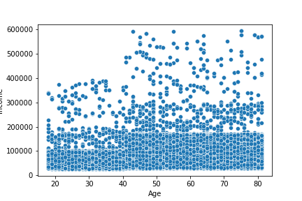
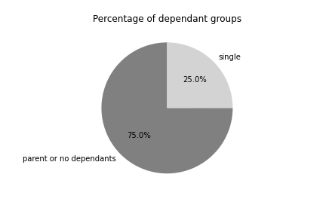
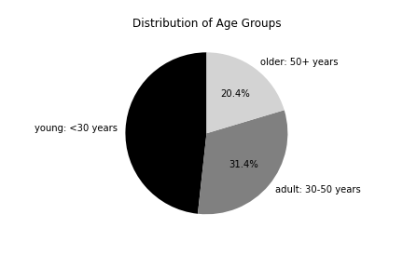
Title page

Visualisations

Question:
What are the busiest days of the week and hours of the day?
comment:
1. Peak Day: Sunday has the highest number of orders, indicating it is the most active day for orders.
2. Lowest Day: Friday has the lowest number of orders.
3. Mid-week Consistency: Monday, Tuesday, Wednesday, and Thursday have relatively similar levels of orders, with Thursday being slightly higher
.4.Weekend Preference: Orders increase significantly on the weekends, with Sunday surpassing Saturday.
1. Peak Hours: The most orders occur between 10:00 AM and 3:00 PM, with a noticeable peak around 10:00 AM to noon.
2. Low Activity Hours: Few orders occur during the early morning hours (midnight to 5:00 AM).
3. Gradual Decline: After 3:00 PM, the number of orders starts to decline steadily, and activity is minimal late in the evening.
4. Weekend Preference: Orders increase significantly on the weekends, with Sunday surpassing Saturday.

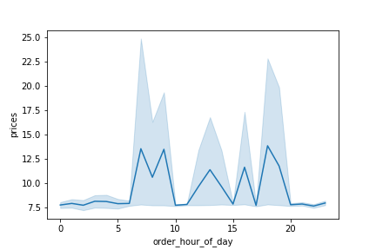

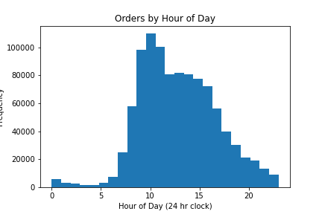
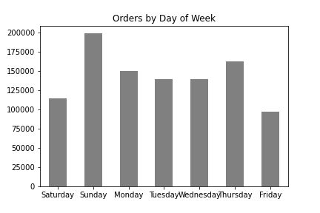

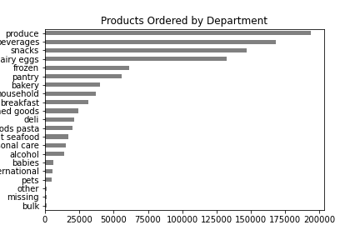

Question:
Are there certain products that are more popular than others?
comment:
1. Produce, Dairy/eggs, snacks, and beverages are the biggest sellers by department

Question:
What is the distribution among users as to how often they return to Instacart?
comment:
Most customers are middle-aged, high or middle-income, parents or have dependences,

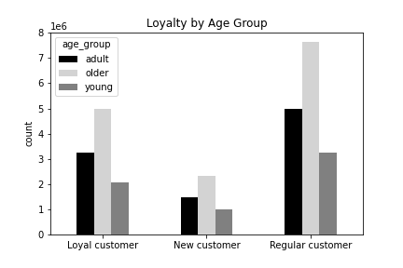
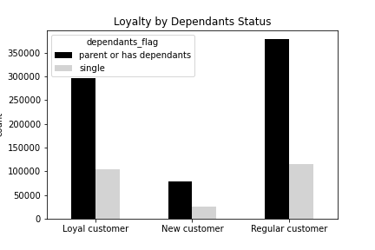

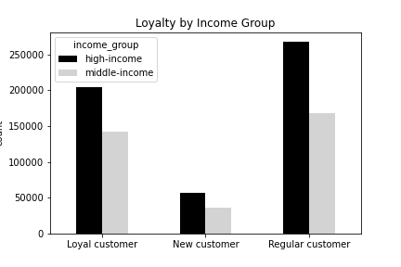
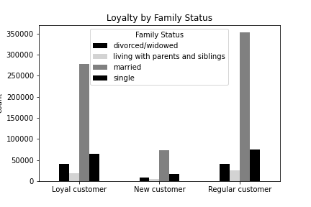

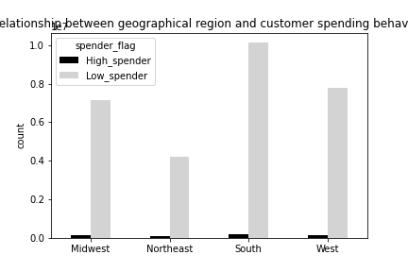

Question:
Are there differences in ordering/spending habits based on region?
comment:
Customers in the South and the West have the most spending

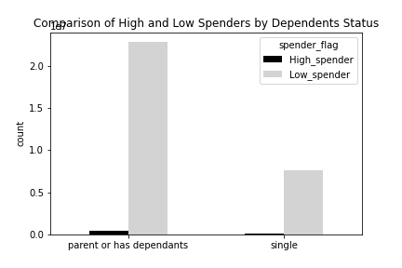

Question:
Investigate if customers with dependents (like children) spend more than those without
comment:
parents or has dependands are high spender

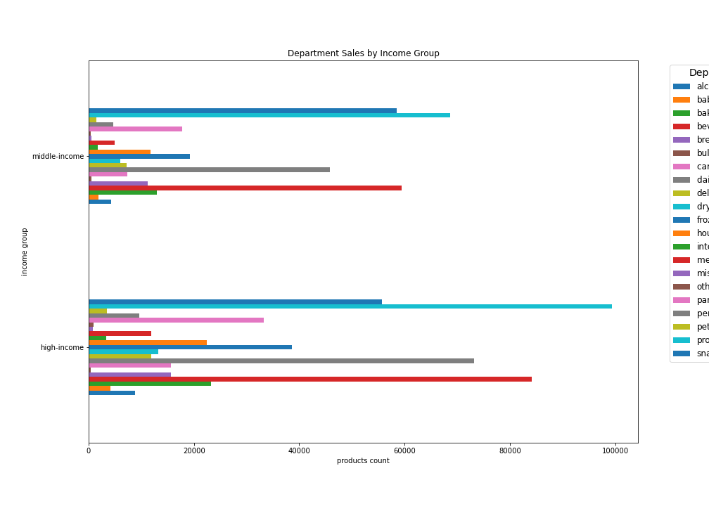

Question:
Investigate the relation between departments sales and the income group and if it effect on sales
comment:
High-Income Trends: Higher spending on "alcohol," "prepared foods," and "beverages," indicating preferences for premium and convenience products.
Low-Income Focus: Strong focus on essentials like "produce," "dairy," and "snacks."
Middle-Income Patterns: Similar to low-income but with slightly broader diversity in spending.

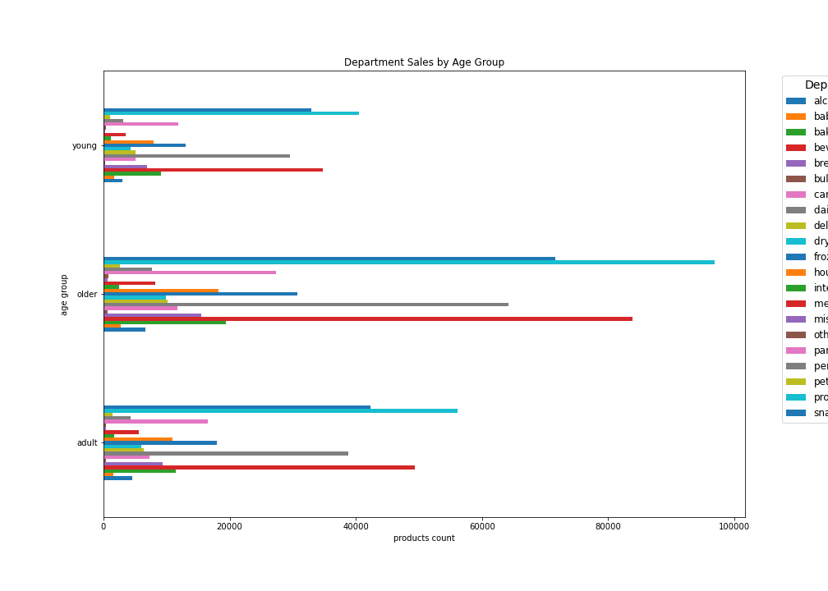

Question:
Investigate the relation between departments sales and the age group and if it effect on sales
comment:
Young: Strong interest in snacks and beverages but lower engagement overall.
Adult: Broad engagement with high sales in several departments.
Older: Specific preferences with a few departments dominating sales.

 | s

Question:
Marketing and Sales Team: What different classifications does the demographic information suggest?
Age? Income? Certain types of goods? Family status??
comment:
Most customers are adult or middle-aged, married, and have dependants. Also those in the upper income bracket tend to be over 40.

7. Recommendations
Recommendations

Question | Answer | Recommendations
What are the busiest days of the week and hours of the day? | 1. Peak Day: Sunday has the highest number of orders, indicating it is the most active day for orders. 2. Lowest Day: Friday has the lowest number of orders. 3. Mid-week Consistency: Monday, Tuesday, Wednesday, and Thursday have relatively similar levels of orders, with Thursday being slightly higher .4.Weekend Preference: Orders increase significantly on the weekends, with Sunday surpassing Saturday1. Peak Hours: The most orders occur between 10:00 AM and 3:00 PM, with a noticeable peak around 10:00 AM to noon. 2. Low Activity Hours: Few orders occur during the early morning hours (midnight to 5:00 AM). 3. Gradual Decline: After 3:00 PM, the number of orders starts to decline steadily, and activity is minimal late in the evening. 4. Weekend Preference: Orders increase significantly on the weekends, with Sunday surpassing Saturday.. | Businesses experience higher order volumes on Sundays and during late mornings to early afternoons. They could focus on optimizing resources, staffing, and marketing efforts during these peak times. Fridays and early morning hours are less active, representing potential opportunities for targeted promotions or resource reallocation.
Are there certain products that are more popular than others? comment: | Produce, Dairy/eggs, snacks, and beverages are the biggest sellers by department | Prioritizing inventory and promotions in these departments can drive higher revenue.
What is the distribution among users as to how often they return to Instacart? | Produce, Dairy/eggs, snacks, and beverages are the biggest sellers by department. | Coupons and specials for popular items such as Produse and Dairy are recommended to get people tp place orders. Coupons and specials for the least popular items such as international, alcohol, and bulk are recommended to boost sales in those departments.
Are there differences in ordering habits based on loyalty status? | Most customers are middle-aged, high or middle-income, parents or have dependences, | Target family-oriented and middle-aged customers with personalized offers or loyalty programs to encourage even more frequent returns.
Are there differences in ordering/spending habits based on region? | Customers in the South and the West have the most spending | Focus marketing efforts and promotions in the South and West to capitalize on their higher spending habits. Analyze specific preferences in these regions to offer regionally customized products or discounts.
Investigate if customers with dependents (like children) spend more than those without | parents or has dependands are high spender | Families may spend more on essentials like produce, dairy, snacks, and beverages. Tailored promotions and family-focused product bundles can effectively target this high-spending group.
Investigate the relation between departments sales and the age group and if it effect on sales | Young: Strong interest in snacks and beverages but lower engagement overall. Adult: Broad engagement with high sales in several departments. Older: Specific preferences with a few departments dominating sales. | Age-Targeted Marketing: Customize campaigns for young (snacks, beverages), adults (varied), and older (health-focused). Inventory Focus: Stock popular items by age group and reassess low-demand categories. Category Promotions: Boost sales in popular departments with offers and target underperforming ones with discounts.
Investigate the relation between departments sales and the income group and if it effect on sales | High-Income Trends: Higher spending on "alcohol," "prepared foods," and "beverages," indicating preferences for premium and convenience products. Low-Income Focus: Strong focus on essentials like "produce," "dairy," and "snacks." Middle-Income Patterns: Similar to low-income but with slightly broader diversity in spending. | Premium Product Bundles: Offer curated bundles of premium goods (e.g., gourmet snacks paired with premium wine or liquor). Exclusive Promotions: Launch VIP or members-only promotions to encourage high-income shoppers to spend more, such as discounts or early access to limited-edition items. Upsell Premium Products: Train staff to upsell premium items at checkout or offer digital incentives (e.g., loyalty points or discounts) for purchasing premium products.

